result compilation
Modelling Algorithm | True Negative | False Positive | False Negative | True Positive | Train data Accuracy | Test data Accuracy | Specificity | Recall | Precision | F1
Naïve Bayes (Count Vec) | 1058 | 135 | 201 | 974 | 0.858 | 0.859 | 0.887 | 0.829 | 0.878 | 0.853
Naiive Bayes (TDIDF) | 794 | 399 | 285 | 890 | 0.859 | 0.711 | 0.666 | 0.757 | 0.69 | 0.722
Random forest (Count Vec) | 1175 | 18 | 361 | 814 | 0.842 | 0.84 | 0.985 | 0.693 | 0.978 | 0.811
Random forest (TDIDF) | 924 | 269 | 440 | 735 | 0.85 | 0.701 | 0.775 | 0.626 | 0.732 | 0.675
Gradient boosting (Count Vec) | 1172 | 21 | 349 | 826 | 0.904 | 0.854 | 0.982 | 0.703 | 0.975 | 0.817

Naïve Bayes with CVEC |  |  |  | Random Forest with CVEC |  |  |  | Gradient Boost
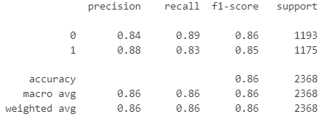
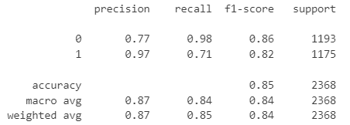
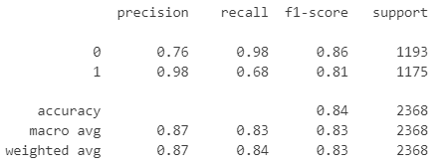

Naïve Bayes with TF-IDF |  |  |  | Random Forest with TF-IDF
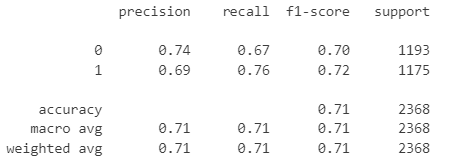
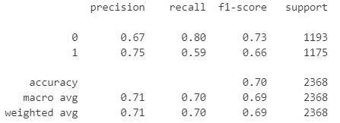

Hyperparameters used the random forests:
{"n_estimators": [100, 150, 200],
"max_depth": [2, 3, 5, 7],
"min_samples_split": [10, 15, 20],
"min_samples_leaf": [3, 4, 5, 7]
}

